Sheet1
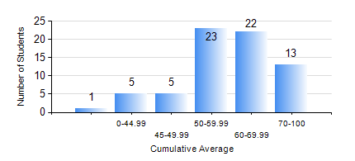
 |  |  | KWAME NKRUMAH UNIVERSITY OF SCIENCE AND TECHNOLOGY, KUMASI Department of Materials Engineering

 |  |  | BSC. MATERIALS ENG.

 |  |  | COMPREHENSIVE RECORD OF EXAMINATION RESULTS

 |  |  | RESULTS OF YEAR 1 SECOND SEMESTER, 2022/2023 ACADEMIC YEAR

 | Sn | Course Code |  | Course Name | Credit Hours | Min. Mark | Max. Mark | Avg. Mark | Std. Dev. | No. Passed | No. Trailed | No. (Df) | No. (I) | No. (I*) | No. Tagged(I,I*,Df) | Total
 | 0. |  |  |  |  |  |  | 0 | 0 | 0 | 0 | 0 | 0 | 0 | 0 | 1
 | 1. | EE 152 |  | BASIC ELECTRONICS | 2 | 29 | 71 | 50 | 9.56 | 65 | 3 | 0 | 0 | 0 | 0 | 68
 | 2. | ENGL 158 |  | COMMUNICATION SKILLS II | 2 | 32 | 86 | 60 | 11.48 | 66 | 2 | 0 | 0 | 0 | 0 | 68
 | 3. | MATH 152 |  | CALCULUS WITH ANALYSIS | 4 | 45 | 92 | 66 | 11.6 | 68 | 0 | 0 | 0 | 0 | 0 | 68
 | 4. | ME 160 |  | ENGINEERING DRAWING | 2 | 31 | 81 | 59 | 12.43 | 66 | 2 | 0 | 0 | 0 | 0 | 68
 | 5. | ME 162 |  | BASIC MECHANICS | 3 | 16 | 82 | 56 | 13.89 | 66 | 2 | 0 | 0 | 0 | 0 | 68
 | 6. | MSE 152 |  | KINETICS OF CHEMICAL REACTIONS | 2 | 16 | 89 | 60 | 14.23 | 67 | 1 | 0 | 0 | 0 | 0 | 68
 | 7. | MSE 154 |  | PRINCIPLES OF MATERIALS SCIENCE | 2 | 31 | 89 | 64 | 15.49 | 65 | 2 | 1 | 0 | 0 | 1 | 68

